Instructions
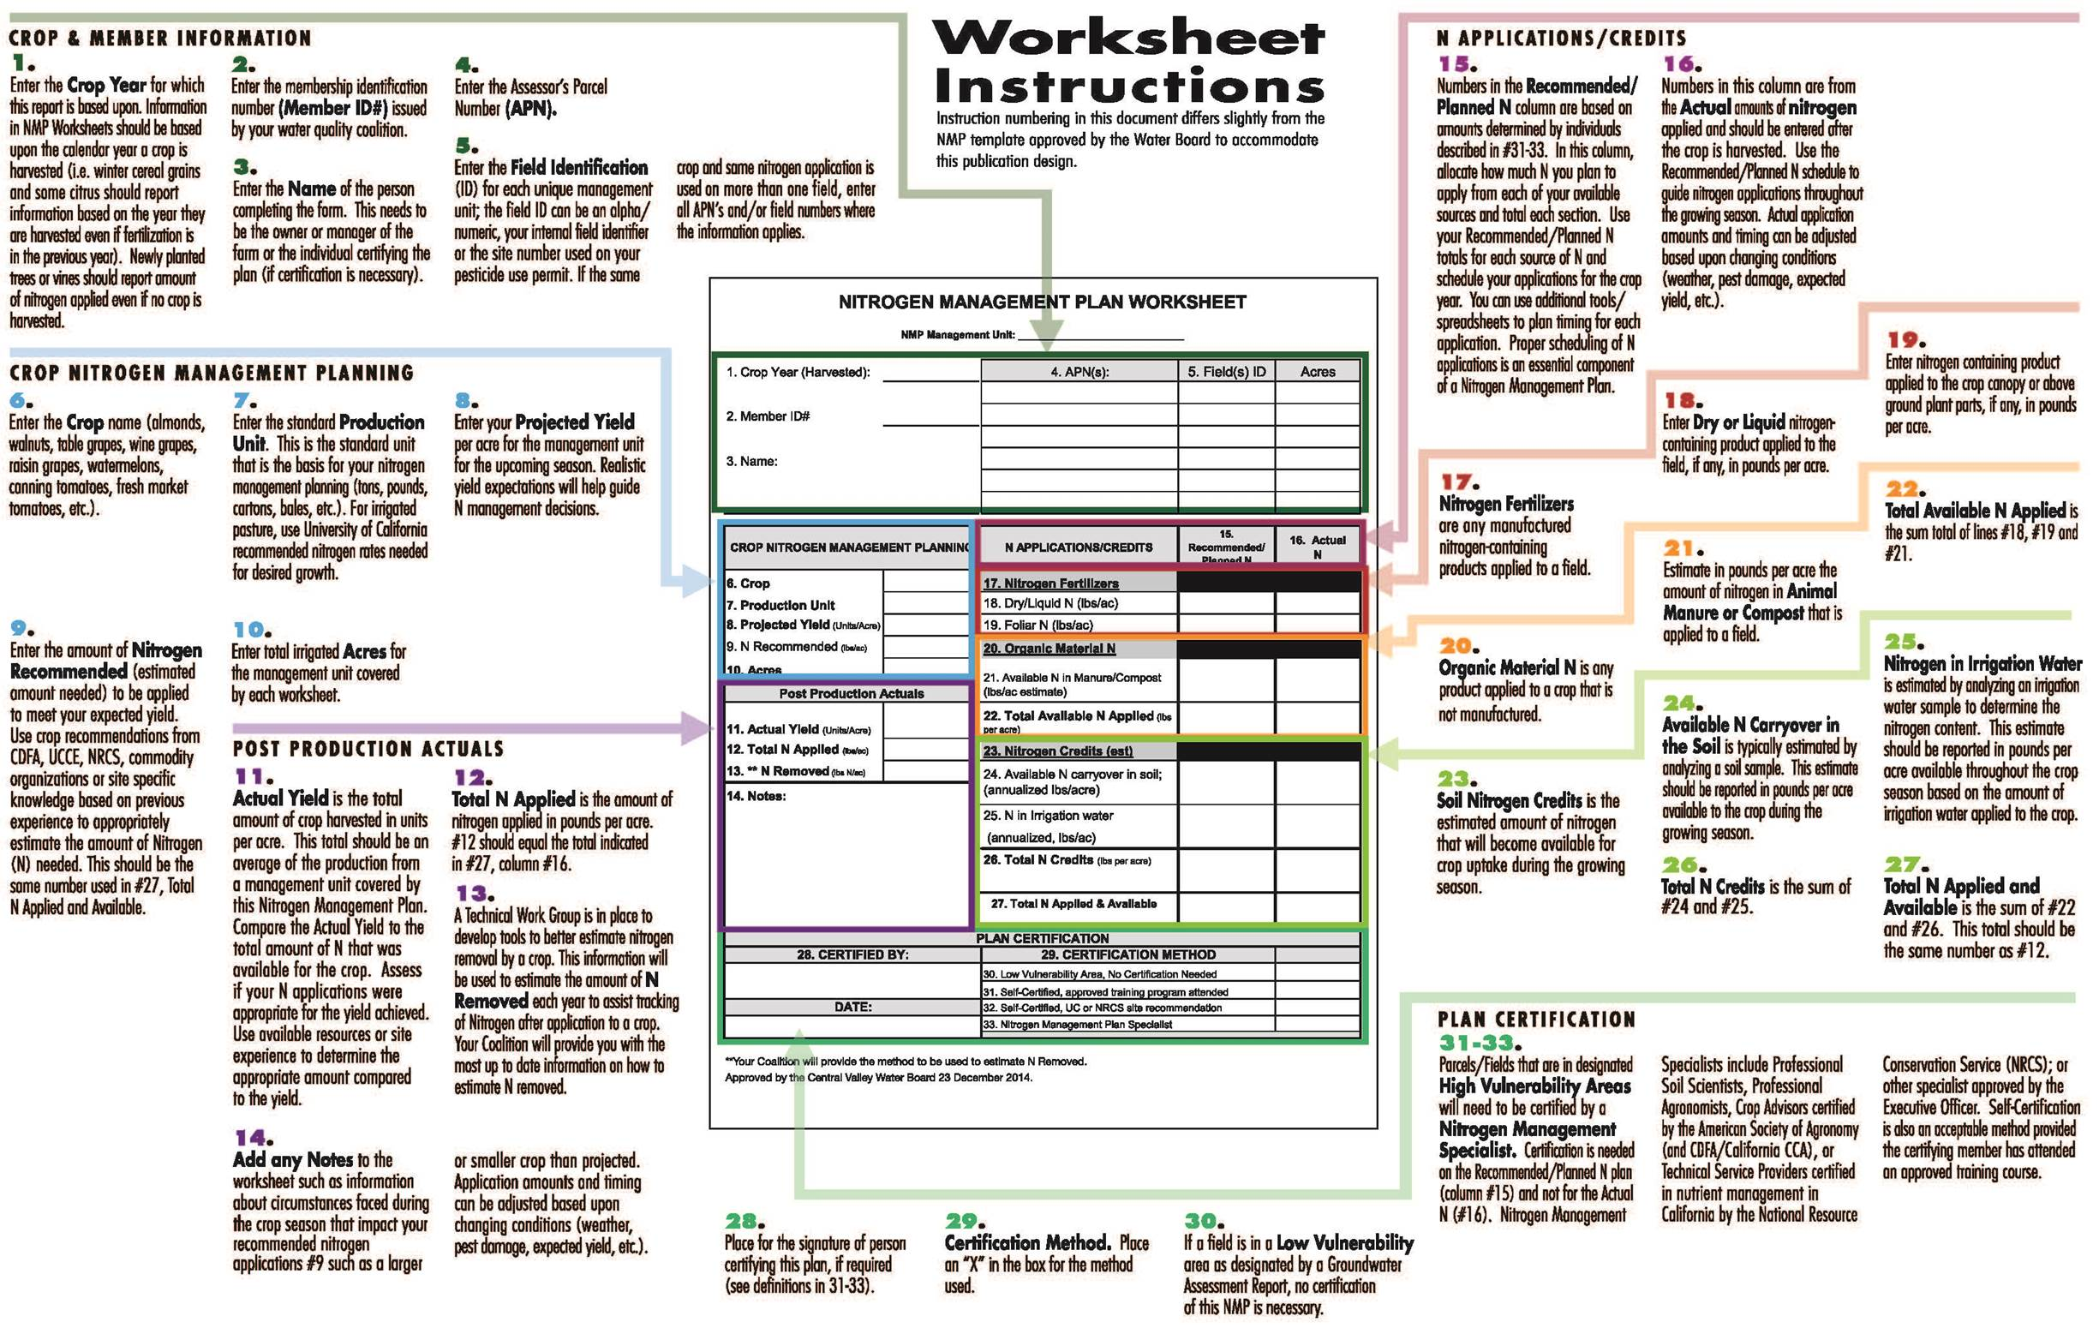
DO NOT SUBMIT! WORKSHEETS REQUIRED TO BE ON-SITE ONLY.

Nitrogen Conversions for Water
NITROGEN CONVERSIONS FOR WATER
Information applies to #25 of the Nitrogen Management Plan

The table provides the pounds of nitrogen applied based on the concentration of nitrate-N in irrigation water and the amount of irrigation water
applied. To calculate the pounds of N applied with irrigation water, determine the concentration of nitrate-N in the irrigation water and the
amount of water applied. The number in the table is the pounds of N applied to the field in the irrigation water only.

Table 3: Pounds of N Applied In Field For Irrigation Water (NMP #25)
 |  | Concentration of nitrate-N in ppm (mg/L)
 |  | 1 | 5 | 10 | 15 | 20 | 25 | 30 | 35 | 40 | 45 | 50 | 60 | 70 | 80 | 90 | 100 | 150 | 200 | 250
Acre-Ft /acre of water applied | 0.1 | 0 | 1 | 3 | 4 | 5 | 7 | 8 | 10 | 11 | 12 | 14 | 16 | 19 | 22 | 25 | 27 | 41 | 55 | 69
 | 0.2 | 1 | 3 | 5 | 8 | 11 | 14 | 16 | 19 | 22 | 25 | 27 | 33 | 38 | 44 | 49 | 55 | 82 | 110 | 137
 | 0.3 | 1 | 4 | 8 | 12 | 16 | 21 | 25 | 29 | 33 | 37 | 41 | 49 | 58 | 66 | 74 | 82 | 123 | 164 | 206
 | 0.4 | 1 | 5 | 11 | 16 | 22 | 27 | 33 | 38 | 44 | 49 | 55 | 66 | 77 | 88 | 99 | 110 | 164 | 219 | 274
 | 0.5 | 1 | 7 | 14 | 21 | 27 | 34 | 41 | 48 | 55 | 62 | 69 | 82 | 96 | 110 | 123 | 137 | 206 | 274 | 343
 | 0.6 | 2 | 8 | 16 | 25 | 33 | 41 | 49 | 58 | 66 | 74 | 82 | 99 | 115 | 132 | 148 | 164 | 247 | 329 | 411
 | 0.7 | 2 | 10 | 19 | 29 | 38 | 48 | 58 | 67 | 77 | 86 | 96 | 115 | 134 | 153 | 173 | 192 | 288 | 384 | 480
 | 0.8 | 2 | 11 | 22 | 33 | 44 | 55 | 66 | 77 | 88 | 99 | 110 | 132 | 153 | 175 | 197 | 219 | 329 | 438 | 548
 | 0.9 | 2 | 12 | 25 | 37 | 49 | 62 | 74 | 86 | 99 | 111 | 123 | 148 | 173 | 197 | 222 | 247 | 370 | 493 | 617
 | 1 | 3 | 14 | 27 | 41 | 55 | 69 | 82 | 96 | 110 | 123 | 137 | 164 | 192 | 219 | 247 | 274 | 411 | 548 | 685
 | 1.25 | 3 | 17 | 34 | 51 | 69 | 86 | 103 | 120 | 137 | 154 | 171 | 206 | 240 | 274 | 308 | 343 | 514 | 685 | 856
 | 1.5 | 4 | 21 | 41 | 62 | 82 | 103 | 123 | 144 | 164 | 185 | 206 | 247 | 288 | 329 | 370 | 411 | 617 | 822 | 1028
 | 1.75 | 5 | 24 | 48 | 72 | 96 | 120 | 144 | 168 | 192 | 216 | 240 | 288 | 336 | 384 | 432 | 480 | 719 | 959 | 1199
 | 2 | 5 | 27 | 55 | 82 | 110 | 137 | 164 | 192 | 219 | 247 | 274 | 329 | 384 | 438 | 493 | 548 | 822 | 1096 | 1370
 | 2.5 | 7 | 34 | 69 | 103 | 137 | 171 | 206 | 240 | 274 | 308 | 343 | 411 | 480 | 548 | 617 | 685 | 1028 | 1370 | 1713
 | 3 | 8 | 41 | 82 | 123 | 164 | 206 | 247 | 288 | 329 | 370 | 411 | 493 | 575 | 658 | 740 | 822 | 1233 | 1644 | 2055
 | 3.5 | 10 | 48 | 96 | 144 | 192 | 240 | 288 | 336 | 384 | 432 | 480 | 575 | 671 | 767 | 863 | 959 | 1439 | 1918 | 2398
 | 4 | 11 | 55 | 110 | 164 | 219 | 274 | 329 | 384 | 438 | 493 | 548 | 658 | 767 | 877 | 986 | 1096 | 1644 | 2192 | 2740

Table 4: Conversion Factors for Nitrate in Water (NMP #25) |  |  |  |  |  |  |  |  |  | Table 6: Conversion for Nitrate in Irrigation Water (NMP #25)
Known Value |  |  | Multiplication |  |  | Results |  |  |  | Nitrate (NO3-N) ppm |  |  | Nitrate (NO3-N) ppm |  |  |  | lb N/acre-foot
ppm NO3-N |  |  | 4.43 |  |  | ppm NO3 |  |  |  | N (NO3-N) |  |  | NO3 = N x 4.43 |  |  |  | lbs N/ac-ft = N x 2.71
ppm NO3 |  |  | 0.226 |  |  | ppm NO3-N |  |  |  | 10 |  |  | 44.3 |  |  |  | 27.1
 |  |  |  |  |  |  |  |  |  | 20 |  |  | 88.6 |  |  |  | 54.2
 |  |  |  |  |  |  |  |  |  | 30 |  |  | 132.9 |  |  |  | 81.3
formula to go from mg/L (ppm) to lbs/acre = |  |  |  |  |  |  |  |  |  | 40 |  |  | 177.2 |  |  |  | 108.4
$$lbs/acre=\frac{\left(\frac{mg}{L}\right)\left(2.71\frac{lbs}{acre foot}\right)(acre foot of water applied)}{acres}$$
 |  |  |  |  |  |  |  |  |  | 50 |  |  | 221.5 |  |  |  | 135.5
 |  |  |  |  |  |  |  |  |  | 60 |  |  | 265.8 |  |  |  | 162.6
 |  |  |  |  |  |  |  |  |  | 70 |  |  | 310.1 |  |  |  | 189.7
 |  |  |  |  |  |  |  |  |  | 80 |  |  | 354.4 |  |  |  | 216.8
Table 5: Conversion Factors for Nitrate in Water (NMP #25) |  |  |  |  |  |  |  |  |  | 90 |  |  | 398.7 |  |  |  | 243.9
Known Value |  | Multiplication |  | Results |  |  |  |  |  | 100 |  |  | 443.0 |  |  |  | 271.0
PPM NO3 |  | 0.052 |  | Pounds N/acre inch |  |  |  |  |  | 120 |  |  | 531.6 |  |  |  | 325.2
PPM NO3 |  | 0.62 |  | Pounds N/acre foot |  |  |  |  |  | 140 |  |  | 620.2 |  |  |  | 379.4
PPM NO3-N |  | 0.23 |  | Pounds N/acre inch |  |  |  |  |  | 160 |  |  | 708.8 |  |  |  | 433.6
PPM NO3-N |  | 2.71 |  | Pounds N/acre foot |  |  |  |  |  | 180 |  |  | 797.4 |  |  |  | 487.8
 |  |  |  |  |  |  |  |  |  | 200 |  |  | 886.0 |  |  |  | 542.0

SAMPLE - Post Production
NITROGEN MANAGEMENT PLAN WORKSHEET

NMP Management Unit: |  | NE/SW Almonds

1. Crop Year (Harvested): | 2015 | 4. APN(s): | 5. Field(s) ID | Acres
 |  | 510 45 004 | 16405, 16406 | 75.00
2. Member ID#: | 1850025 | 510 45 008 | 9297 | 125.00
NOTE: POST PRODUCTION ACTUALS WILL BE COMPLETED ON THE SAME WORKSHEET AS THE PLANNING PRE PLANT ESTIMATES
3. Name:
Sam Farmer

CROP NITROGEN MANAGEMENT PLANNING |  | N APPLICATIONS/CREDITS | 15. Recommended/ Planned N | 16. Actual N
6. Crop | Almonds | 17. Nitrogen Fertilizers
7. Production Unit | Kernel pounds | 18. Dry/Liquid N (lbs/ac) | 105.00 | 100.00
8. Projected Yield (Units/Acre) | 800.00 | 19. Foliar N (lbs/ac) | 5.00 | 10.00
9. N Recommended (lbs/ac) | 120.00 | 20. Organic Material N
10. Acres | 200.00 | 21. Available N In Manure/Compost (lbs/ac estimate) | 0.00 | 0.00
Post Production Actuals
11. Actual Yield (Units/Acre) | 825.00 | 22. Total Available N Applied (lbs per acre) | 110.00 | 110.00
12. Total N Applied (lbs/ac) | 123.00 | 23. Nitrogen Credits (est)
13. ** N Removed (lbs N/ac) | 0.14 | 24. Available N carryover in soil; (annualized lbs/acre) | 8.00 | 8.00
14. Notes:
Almonds produced slightly larger yield than original projection. |  | 25. N in Irrigation water (annualized, lbs/ac) | 2.00 | 5.00

 |  | 26. Total N Credits (lbs per acre) | 10.00 | 13.00

 |  | 27. Total N Applied & Available | 120.00 | 123.00

PLAN CERTIFICATION
28. CERTIFIED BY: |  | 29. CERTIFICATION METHOD
Bill Smith |  | 30. Low Vulnerability Area, No Certification Needed
 |  | 31. Self-Certified, approved training program attended
DATE: |  | 32. Self-Certified, UC or NRCS site recommendation
2015-03-11 |  | 33. Nitrogen Management Plan Specialist

Summary_Report_Instructions
